QUEUE
 | THIS IS AN EXAMPLE OF A FORMAT

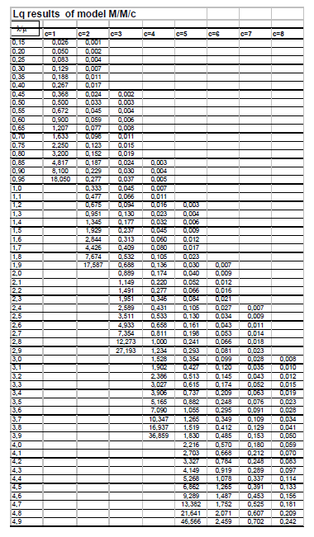
Input=I
A
D
Output=O
 | MAKE SURE TO SAVE CONTINUOUSLY
 | QUESTION 1 OF QUEUEING THEORY
OPTION 1
STAGE 1
STAGE 2
STAGE 3

B
C
E

Input=I
A
B
D
Output=O
OPTION 2
STAGE 1
STAGE 2
STAGE 3

C

E

Input=I
A
D
Output=O
OPTION 3
STAGE 1
STAGE 2
STAGE 3

B

C
E

Input=I
B
C
F
Output=O
OPTION 4
STAGE 1
STAGE 2
STAGE 3

A
D

E

 | Which option di you choose? Write it in the next cell
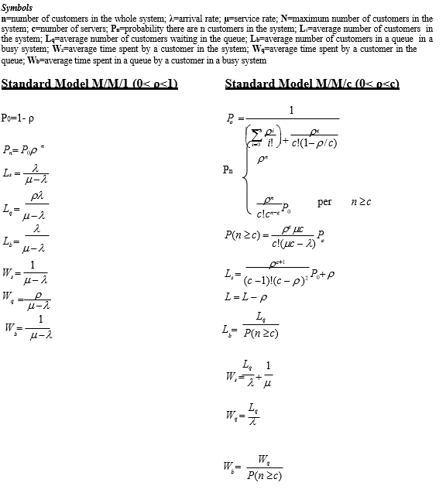
 | COMPUTE FOR QUESTION 2 OF QUEUEING THEORY

 | YOU CAN PERFORM NODES CALCULATION HERE

 | INSERT YOUR COMPUTATION
 |  |  | stage 1 | stage 2 | stage3
 | µ | computation
 |  | Value
 |  | computation
$$γ$$
 |  | Value
 | Queue Type | Text
 | Ws minutes | computation
 |  | Value
$ρ$
 |  | computation
 |  | Value

 | NOTE

 | PLEASE INDICATE THE VALUE OF TH OUTPUT TO THE SYSTEM
 | MAKE SURE TO SAVE CONTINUOUSLY
 | COMPUTE FOR QUESTION 3 OF QUEUEING THEORY

 | Please insert as many raws and columns you need to compute all the paths and insert the names of the stages

 | OCCURRENCES
 | PATHS ID | stage 1 | stage 2 | … |  | stage n | Frequency/ (Occurency) computation | Frequency result |  | Ws computation | Ws result
 | 1
 | 2
 | 3
 | 4
 | …
 | …
 | …
 | …
 | …
 | n |  |  |  |  |  |  |  | Total WS

 | Notes (optional)

